Question 1
This is Example 7-1 in your text. Use Solver to estimate Tau and K
 |  |  |  | Answer Key

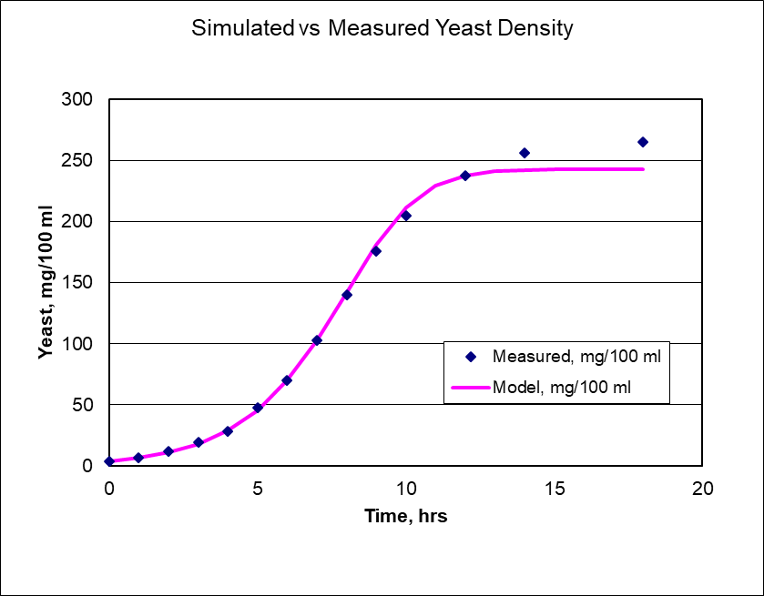
 | <-- Model Inputs ---->
 | Tau (t) | 0.65
 | K | 240

Yeast Density mg/100 ml
 | Measured
0 | 4
1 | 7
2 | 12
3 | 19
4 | 28
5 | 48
6 | 70
7 | 103
8 | 140
9 | 176
10 | 205
12 | 238
13
14 | 256
15
16
17
18 | 265
Hours | Measured Yeast Density mg/100 ml | Model | Percent Error
0 | 4
1 | 7
2 | 12
3 | 19
4 | 28
5 | 48
6 | 70
7 | 103
8 | 140
9 | 176
10 | 205
12 | 238
13
14 | 256
15
16
17
18 | 265
Cumulative Percent Error ===> |  |  | 0

Question 2
Question 2 is taken from Example 7-3 in section 7.2 of your text. Refer to the lab handout and text for more information.
 |  |  |  |  |  |  |  |  |  |  | Answer Key
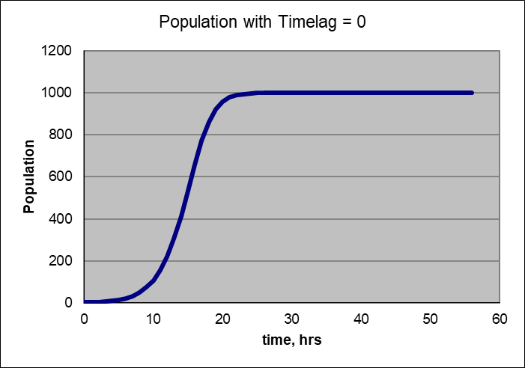
Model Inputs

 | f=0 |  | f=1 |  | f=2 |  | f=3 |  | f=4
Tau | 0.5 |  | 0.5 |  | 0.5 |  | 0.5 |  | 0.5
K | 1000 |  | 1000 |  | 1000 |  | 1000 |  | 1000
dt | 1 |  | 1 |  | 1 |  | 1 |  | 1
f | 0 |  | 1 |  | 2 |  | 3 |  | 4

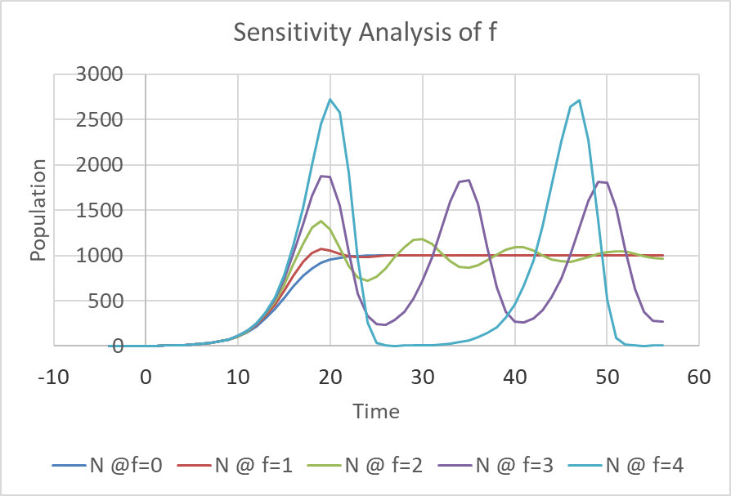
Time, Hrs | dN/dt | N @f=0 | dN/dt | N @ f=1 | dN/dt | N @ f=2 | dN/dt | N @ f=3 | dN/dt | N @ f=4
-4 |  | 0 |  | 0 |  | 0 |  | 0 |  | 0
-3 |  | 0 |  | 0 |  | 0 |  | 0 |  | 0
-2 |  | 0 |  | 0 |  | 0 |  | 0 |  | 0
-1 |  | 0 |  | 0 |  | 0 |  | 0 |  | 0
0 |  | 2 |  | 2 |  | 2 |  | 2 |  | 2
1
2
3
4
5
6
7
8
9
10
11
12
13
14
15
16
17
18
19
20
21
22
23
24
25
26
27
28
29
30
31
32
33
34
35
36
37
38
39
40
41
42
43
44
45
46
47
48
49
50
51
52
53
54
55
56

Question 3
This is exampe 7.3 in section 7.3 of your text.

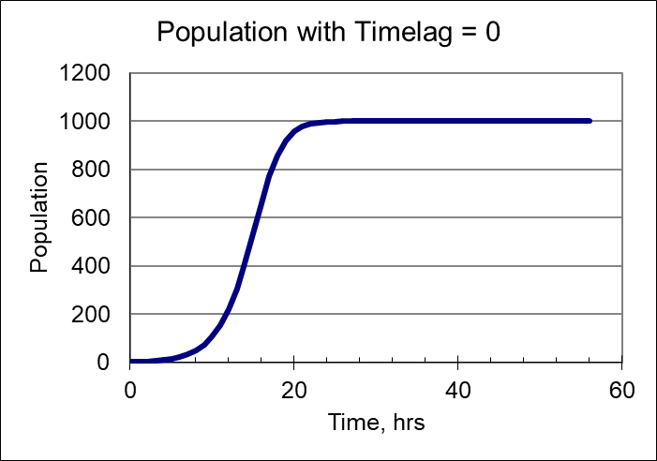
 |  |  |  |  | Answer Key
g | 0.3 |  | 0.3 | 1/week
k | 6 |  | 6 | individuals/week
C | 30 |  | 30 | individuals
dt | 1 |  | 1

Time, Wks | Tau | K(t) | dN/dt | Population
0 | 0 | 30 |  | 2
1
2
3
4
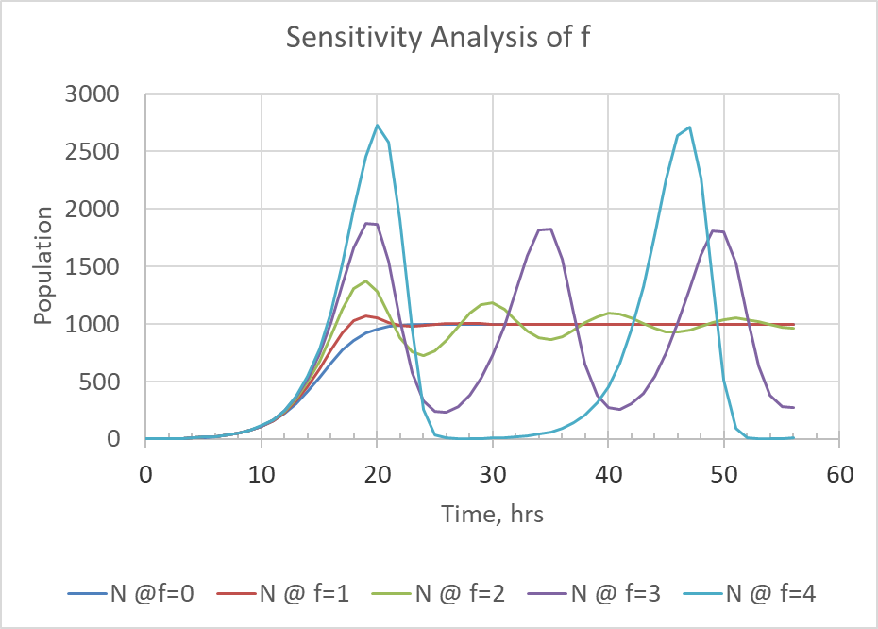
5
6
7
8
9
10
11
12
13
14
15
16
17
18
19
20
21
22
23
24
25
26
27
28
29
30
31
32
33
34
35
36
37
38
39
40
41
42
43
44
45
46
47
48
49
50
51
52
53
54
55
56
57
58
59
60
61
62
63
64
65
66
67
68
69
70
71
72
73
74
75
76
77
78
79
80
81
82
83
84
85
86
87
88
89
90
91
92
93
94
95
96
97
98
99
100
101
102
103
104
105

